1) Investigation 10
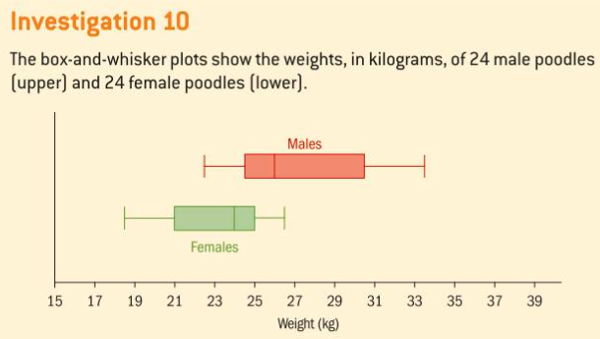
There are three problems in this assignment.
1) Investigation 10 on page 125
2) Exercise 3F #1 on page 126 (do this problem "by hand")
3) Exercise 3F #2 on page 126 (use spreadsheet functions to the best of your ability)

3) 3F #2 p 126
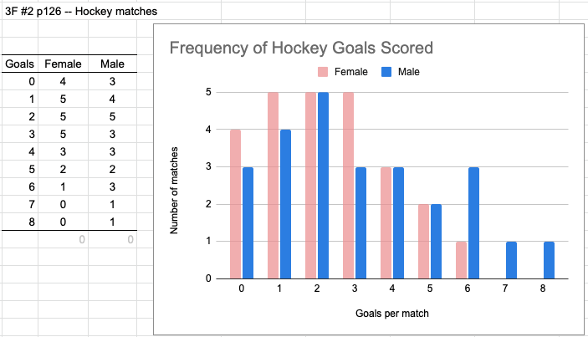
 |  | You might make something like this
 |  | hint: use the Frequency function
Female | Male
0 | 2
3 | 4
1 | 1
4 | 0
2 | 3
3 | 1
4 | 2
0 | 6
1 | 2
0 | 8
5 | 4
2 | 5
6 | 3
3 | 1
1 | 7
3 | 3
3 | 2
2 | 0
4 | 0
2 | 1
5 | 5
1 | 2
0 | 6
2 | 4
1 | 6

